ReadMe

1. Final Dashboard
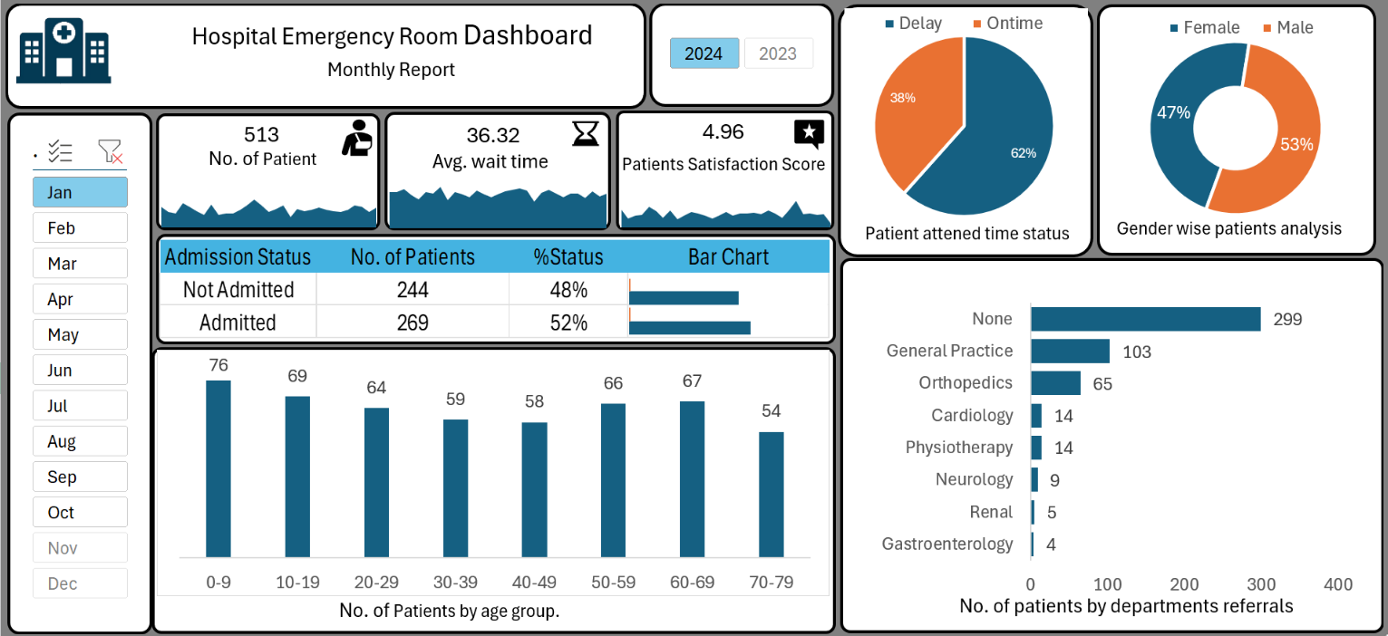

2. PURPOSE OF PROJECT

We need to create a Hospital Emergency Room Analysis Dashboard in Excel to improve efficiency and provide useful insights.
This dashboard will help stakeholders monitor, analyze, and make better decisions for managing patients and improving services.

3. PROJECT STEPS

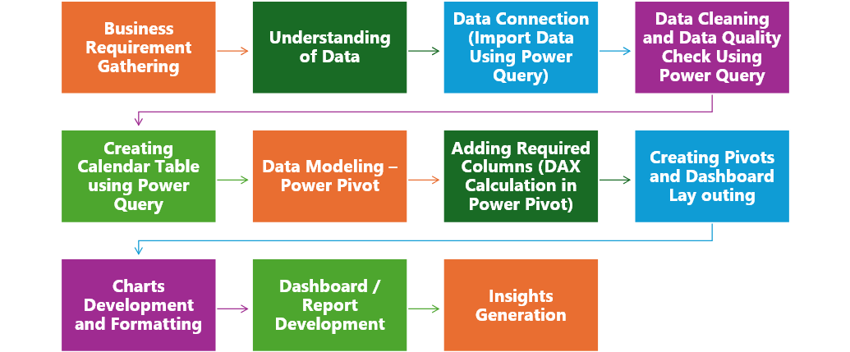

4. KPIs Requirement

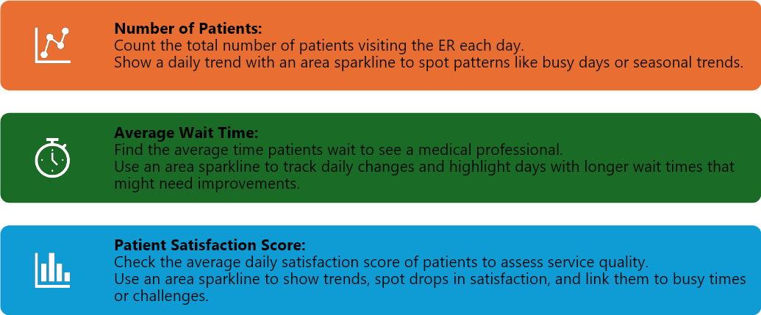

5. Charts to Create

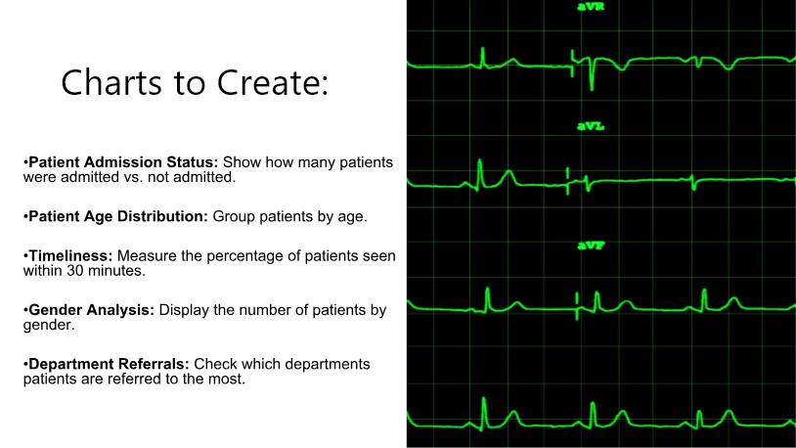

6. Calendar Table Formula

= List.Dates(#date(2023,01,01),731,#duration(1,0,0,0))

7. DAX Formulas

DAX Formula for Age Group :
.=IF([Patient Age]>=70,"70-79",IF([Patient Age]>=60,"60-69",IF([Patient Age]>=45,
45-59,IF([Patient Age]>=30,"30-44",IF([Patient Age]>=15,"15-29",IF([Patient Age]>=5,"05-14","0-4"))))))

DAX Formula For Patient Attend Status :
.=IF([Patient Waittime]>30,"Delay","Ontime")

8. Hospital Logo

Dashboard
Hospital Emergency Room Dashboard
 | Total
Delay | 316.00
Ontime | 197.00
 | Total
Female | 46.98%
Male | 53.02%
Monthly Report

4.96
513
No. of Patient
36.32
Avg. wait time
 | Total
1-Jan | 19
2-Jan | 14
3-Jan | 13
4-Jan | 22
5-Jan | 19
6-Jan | 15
7-Jan | 12
8-Jan | 21
9-Jan | 12
10-Jan | 13
11-Jan | 13
12-Jan | 16
13-Jan | 20
14-Jan | 25
15-Jan | 20
16-Jan | 14
17-Jan | 17
18-Jan | 20
19-Jan | 10
20-Jan | 17
21-Jan | 15
22-Jan | 16
23-Jan | 18
24-Jan | 16
25-Jan | 15
26-Jan | 14
27-Jan | 16
28-Jan | 20
29-Jan | 19
30-Jan | 14
31-Jan | 18
 | Total
1-Jan | 6.67
2-Jan | 3.50
3-Jan | 4.50
4-Jan | 4.80
5-Jan | 7.75
6-Jan | 6.20
7-Jan | 3.75
8-Jan | 6.50
9-Jan | 3.00
10-Jan | 4.50
11-Jan | 6.00
12-Jan | 5.20
13-Jan | 4.40
14-Jan | 3.45
15-Jan | 4.40
16-Jan | 5.83
17-Jan | 4.44
18-Jan | 5.33
19-Jan | 5.33
20-Jan | 5.57
21-Jan | 5.00
22-Jan | 6.40
23-Jan | 5.33
24-Jan | 3.75
25-Jan | 6.33
26-Jan | 10.00
27-Jan | 5.00
28-Jan | 5.33
29-Jan | 4.80
30-Jan | 5.00
31-Jan | 1.40
Patients Satisfaction Score
 | Total
1-Jan | 37.79
2-Jan | 38.21
3-Jan | 40.92
4-Jan | 34.50
5-Jan | 30.68
6-Jan | 37.67
7-Jan | 36.08
8-Jan | 43.52
9-Jan | 29.50
10-Jan | 38.08
11-Jan | 35.85
12-Jan | 32.63
13-Jan | 39.20
14-Jan | 35.28
15-Jan | 32.55
16-Jan | 35.64
17-Jan | 38.76
18-Jan | 39.90
19-Jan | 41.60
20-Jan | 39.47
21-Jan | 27.73
22-Jan | 36.88
23-Jan | 40.33
24-Jan | 36.50
25-Jan | 32.87
26-Jan | 36.64
27-Jan | 36.56
28-Jan | 32.15
29-Jan | 38.37
30-Jan | 33.07
31-Jan | 36.44
Patient attened time status
Gender wise patients analysis

 | Total
Gastroenterology | 4
Renal | 5
Neurology | 9
Physiotherapy | 14
Cardiology | 14
Orthopedics | 65
General Practice | 103
None | 299

 | Total
0-9 | 76
10-19 | 69
20-29 | 64
30-39 | 59
40-49 | 58
50-59 | 66
60-69 | 67
70-79 | 54

No. of Patients by age group.
No. of patients by departments referrals

Pivot Report
No. of Patient count
Distinct Count of Patient Id |  |  |  | Daily Trend of No of Patient
513 |  |  |  | Row Labels | Distinct Count of Patient Id |  |  | Average wait time |  | Satisfaction Score daily trend
 |  |  |  | 1-Jan | 19 |  |  | Row Labels | Average of Patient Waittime | Row Labels | Average of Patient Satisfaction Score
 |  |  |  | 2-Jan | 14 |  |  | 1-Jan | 37.79 | 1-Jan | 6.67
Average of Patient Waittime |  |  |  | 3-Jan | 13 |  |  | 2-Jan | 38.21 | 2-Jan | 3.50
36.32 |  |  |  | 4-Jan | 22 |  |  | 3-Jan | 40.92 | 3-Jan | 4.50
 |  |  |  | 5-Jan | 19 |  |  | 4-Jan | 34.50 | 4-Jan | 4.80
 |  |  |  | 6-Jan | 15 |  |  | 5-Jan | 30.68 | 5-Jan | 7.75
Average of Patient Satisfaction Score |  |  |  | 7-Jan | 12 |  |  | 6-Jan | 37.67 | 6-Jan | 6.20
4.96 |  |  |  | 8-Jan | 21 |  |  | 7-Jan | 36.08 | 7-Jan | 3.75
 |  |  |  | 9-Jan | 12 |  |  | 8-Jan | 43.52 | 8-Jan | 6.50
 |  |  |  | 10-Jan | 13 |  |  | 9-Jan | 29.50 | 9-Jan | 3.00
Row Labels |  |  |  | 11-Jan | 13 |  |  | 10-Jan | 38.08 | 10-Jan | 4.50
2024 |  |  |  | 12-Jan | 16 |  |  | 11-Jan | 35.85 | 11-Jan | 6.00
Grand Total |  |  |  | 13-Jan | 20 |  |  | 12-Jan | 32.63 | 12-Jan | 5.20
 |  |  |  | 14-Jan | 25 |  |  | 13-Jan | 39.20 | 13-Jan | 4.40
 |  |  |  | 15-Jan | 20 |  |  | 14-Jan | 35.28 | 14-Jan | 3.45
 |  |  |  | 16-Jan | 14 |  |  | 15-Jan | 32.55 | 15-Jan | 4.40
 |  |  |  | 17-Jan | 17 |  |  | 16-Jan | 35.64 | 16-Jan | 5.83
 |  |  |  | 18-Jan | 20 |  |  | 17-Jan | 38.76 | 17-Jan | 4.44
 |  |  |  | 19-Jan | 10 |  |  | 18-Jan | 39.90 | 18-Jan | 5.33
 |  |  |  | 20-Jan | 17 |  |  | 19-Jan | 41.60 | 19-Jan | 5.33
 |  |  |  | 21-Jan | 15 |  |  | 20-Jan | 39.47 | 20-Jan | 5.57
 |  |  |  | 22-Jan | 16 |  |  | 21-Jan | 27.73 | 21-Jan | 5.00
 |  |  |  | 23-Jan | 18 |  |  | 22-Jan | 36.88 | 22-Jan | 6.40
 |  |  |  | 24-Jan | 16 |  |  | 23-Jan | 40.33 | 23-Jan | 5.33
 |  |  |  | 25-Jan | 15 |  |  | 24-Jan | 36.50 | 24-Jan | 3.75
 |  |  |  | 26-Jan | 14 |  |  | 25-Jan | 32.87 | 25-Jan | 6.33
 |  |  |  | 27-Jan | 16 |  |  | 26-Jan | 36.64 | 26-Jan | 10.00
 |  |  |  | 28-Jan | 20 |  |  | 27-Jan | 36.56 | 27-Jan | 5.00
 |  |  |  | 29-Jan | 19 |  |  | 28-Jan | 32.15 | 28-Jan | 5.33
 |  |  |  | 30-Jan | 14 |  |  | 29-Jan | 38.37 | 29-Jan | 4.80
 |  |  |  | 31-Jan | 18 |  |  | 30-Jan | 33.07 | 30-Jan | 5.00
 |  |  |  | Grand Total | 513 |  |  | 31-Jan | 36.44 | 31-Jan | 1.40
 |  |  |  |  |  |  |  | Grand Total | 36.32 | Grand Total | 4.96

Row Labels | Count of Patient Admission Flag | Count of Patient Admission Flag2
Admitted | 269 | 52.44%
Not Admitted | 244 | 47.56%
Grand Total | 513.00 | 100.00%

Admission Status | No. of Patients | %Status | Bar Chart
Not Admitted | 244 | 48%
Admitted | 269 | 52%

Age group wise analysis |  |  |  |  |  | No. Patients by gender
Row Labels | Count of Age Group |  |  |  |  | Row Labels | Count of Patient Gender
0-9 | 76 |  |  |  |  | Female | 46.98%
10-19 | 69 |  |  |  |  | Male | 53.02%
20-29 | 64 |  |  |  |  | Grand Total | 100.00%
30-39 | 59
40-49 | 58
50-59 | 66
60-69 | 67
70-79 | 54
Grand Total | 513.00

Patients attended status
Row Labels | Count of Patient Attend Status
Delay | 316.00
Ontime | 197.00
Grand Total | 513.00

Department referral analysis
Row Labels | Count of Department Referral
Gastroenterology | 4
Renal | 5
Neurology | 9
Physiotherapy | 14
Cardiology | 14
Orthopedics | 65
General Practice | 103
None | 299
Grand Total | 513.00

Avg wait time daily trend
 | Total
1-Jan | 37.79
2-Jan | 38.21
3-Jan | 40.92
4-Jan | 34.50
5-Jan | 30.68
6-Jan | 37.67
7-Jan | 36.08
8-Jan | 43.52
9-Jan | 29.50
10-Jan | 38.08
11-Jan | 35.85
12-Jan | 32.63
13-Jan | 39.20
14-Jan | 35.28
15-Jan | 32.55
16-Jan | 35.64
17-Jan | 38.76
18-Jan | 39.90
19-Jan | 41.60
20-Jan | 39.47
21-Jan | 27.73
22-Jan | 36.88
23-Jan | 40.33
24-Jan | 36.50
25-Jan | 32.87
26-Jan | 36.64
27-Jan | 36.56
28-Jan | 32.15
29-Jan | 38.37
30-Jan | 33.07
31-Jan | 36.44

Use an area chart to track daily changes and highlight days with longer wait time that might need improvement

Daily ER No. of Patient
 | Total
1-Jan | 19
2-Jan | 14
3-Jan | 13
4-Jan | 22
5-Jan | 19
6-Jan | 15
7-Jan | 12
8-Jan | 21
9-Jan | 12
10-Jan | 13
11-Jan | 13
12-Jan | 16
13-Jan | 20
14-Jan | 25
15-Jan | 20
16-Jan | 14
17-Jan | 17
18-Jan | 20
19-Jan | 10
20-Jan | 17
21-Jan | 15
22-Jan | 16
23-Jan | 18
24-Jan | 16
25-Jan | 15
26-Jan | 14
27-Jan | 16
28-Jan | 20
29-Jan | 19
30-Jan | 14
31-Jan | 18

Use an area chart to track daily changes and highlight busy days or seasonal trend that might need improvement

Satisfaction score daily trent
 | Total
1-Jan | 6.67
2-Jan | 3.50
3-Jan | 4.50
4-Jan | 4.80
5-Jan | 7.75
6-Jan | 6.20
7-Jan | 3.75
8-Jan | 6.50
9-Jan | 3.00
10-Jan | 4.50
11-Jan | 6.00
12-Jan | 5.20
13-Jan | 4.40
14-Jan | 3.45
15-Jan | 4.40
16-Jan | 5.83
17-Jan | 4.44
18-Jan | 5.33
19-Jan | 5.33
20-Jan | 5.57
21-Jan | 5.00
22-Jan | 6.40
23-Jan | 5.33
24-Jan | 3.75
25-Jan | 6.33
26-Jan | 10.00
27-Jan | 5.00
28-Jan | 5.33
29-Jan | 4.80
30-Jan | 5.00
31-Jan | 1.40

Use and area chart to show trends, spot drops in patient's satisfaction, and link them to busy times or challenges

